lisa 1
SAUCONY

MatSls Pattern | Material | Shoe Color | Gender | Division | 16.0 | Total | whs | retail
CANYON TR2 | S10666-16 | SUNSTONE/NIGHT | Women's | Saucony Technical |  | 14 | 68.30 € | 140.00 €
CANYON TR2 | S10666-16 | SUNSTONE/NIGHT | Women's | Saucony Technical |  | 240 | 68.30 € | 140.00 €
CANYON TR2 | S10666-26 | COOL MINT/DUSK | Women's | Saucony Technical |  | 193 | 68.30 € | 140.00 €
CANYON TR2 | S10666-30 | BLAZE/LIME | Women's | Saucony Technical |  | 31 | 68.30 € | 140.00 €
CANYON TR2 | S20666-16 | SAPPHRE/VIZIRED | Men's | Saucony Technical |  | 37 | 68.30 € | 140.00 €
CANYON TR2 | S20666-16 | SAPPHRE/VIZIRED | Men's | Saucony Technical |  | 344 | 68.30 € | 140.00 €
CANYON TR2 | S20666-25 | ACID/BLUE RAZ | Men's | Saucony Technical |  | 170 | 68.30 € | 140.00 € | 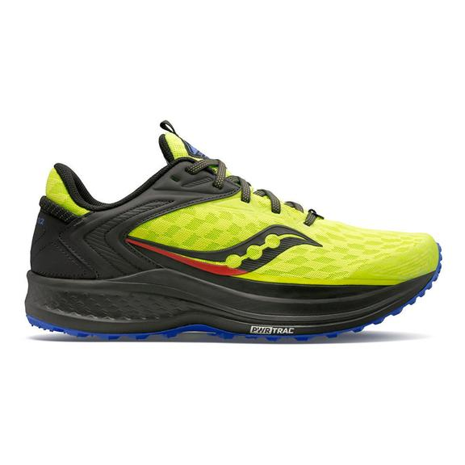
ECHELON 8 | S10574-31 | SPACE-RAZZLE | Women's | Saucony Technical |  | 143 | 73.20 € | 150.00 €
ECHELON 8 | S20574-31 | SHADOW/MULBERRY | Men's | Saucony Technical |  | 176 | 73.20 € | 150.00 €
ENDORPHIN SHIFT 2 | S10689-10 | BLACK/WHITE | Women's | Saucony Technical |  | 569 | 73.20 € | 150.00 €
ENDORPHIN SHIFT 2 | S10689-16 | VIZIGLD/VIZIRED | Women's | Saucony Technical |  | 518 | 73.20 € | 150.00 €
ENDORPHIN SHIFT 2 | S10689-26 | COOL MINT/ACID | Women's | Saucony Technical |  | 52 | 73.20 € | 150.00 €

ENDORPHIN SHIFT 2 | S10689-40 | REVERIE | Women's | Saucony Technical |  | 29 | 73.20 € | 150.00 €
ENDORPHIN SHIFT 2 | S10689-45 | CAMPFIRE STORY | Women's | Saucony Technical |  | 560 | 73.20 € | 150.00 €
ENDORPHIN SHIFT 2 | S10689-65 | VIZI PRO | Women's | Saucony Technical |  | 206 | 73.20 € | 150.00 €
ENDORPHIN SHIFT 2 | S20689-10 | BLACK/WHITE | Men's | Saucony Technical |  | 329 | 73.20 € | 150.00 €
ENDORPHIN SHIFT 2 | S20689-16 | VIZIGLD/VIZIRED | Men's | Saucony Technical |  | 363 | 73.20 € | 150.00 €
ENDORPHIN SHIFT 2 | S20689-25 | BLUE RAZ/ACID | Men's | Saucony Technical |  | 98 | 73.20 € | 150.00 €
ENDORPHIN SHIFT 2 | S20689-30 | SPACE/MULBERRY | Men's | Saucony Technical |  | 114 | 73.20 € | 150.00 € | 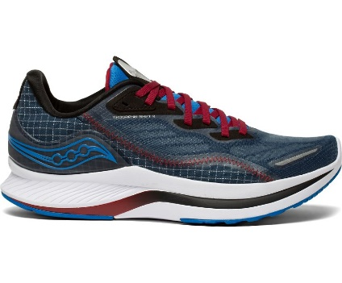
ENDORPHIN SHIFT 2 | S20689-45 | CAMPFIRE STORY | Men's | Saucony Technical |  | 425 | 73.20 € | 150.00 €

ENDORPHIN SPEED 2 | S20688-50 | RED/BLUE | Men's | Saucony Original |  | 162 | 92.70 € | 190.00 €
ENDORPHIN TRAIL | S20716-101 | OLIVE/BLACK | Men's | Saucony Original |  | 73 | 90.00 € | 180.00 €
ENDORPHIN TRAIL | S20716-101 | OLIVE/BLACK | Men's | Saucony Original |  | 185 | 90.00 € | 180.00 €
ENDORPHIN TRAIL | S20716-50 | REFLECT CAMO | Men's | Saucony Original |  | 421 | 90.00 € | 180.00 €
ENDORPHIN TRAIL | S20716-50 | REFLECT CAMO | Men's | Saucony Original |  | 108 | 90.00 € | 180.00 €
EXCURSION TR15 GTX | S10672-1 | BLACK/JADE | Women's | Saucony Athletic |  | 467 | 53.70 € | 110.00 €
EXCURSION TR15 GTX | S20672-1 | BLACK/SHADOW | Men's | Saucony Athletic |  | 1,074 | 53.70 € | 110.00 €
GUIDE 14 | S10654-30 | BLUE BLAZE/BERRY | Women's | Saucony Technical |  | 76 | 68.30 € | 140.00 €
GUIDE 14 | S10654-45 | CHARCOAL/ROSE | Women's | Saucony Technical |  | 35 | 68.30 € | 140.00 €
GUIDE 14 | S20654-30 | MULBERRY/LIME | Men's | Saucony Technical |  | 185 | 68.30 € | 140.00 €
KINVARA 12 | SK164379 | BLACK/PINK | GIRLS | Saucony Kids |  | 18 | 31.75 € | 75.00 €
KINVARA 12 | SK165077 | BLUE/PINK | GIRLS | Saucony Kids |  | 111 | 31.75 € | 75.00 € | 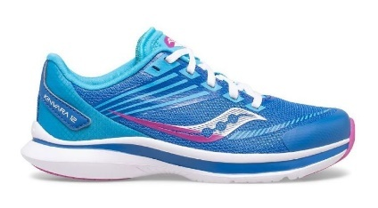
KINVARA 12 A/C | SK164341 | BLACK/PINK | GIRLS | Saucony Kids |  | 23 | 31.75 € | 75.00 €
KINVARA 12 A/C | SK165081 | BLUE/PINK | GIRLS | Saucony Kids |  | 486 | 31.75 € | 75.00 €
KINVARA 12 A/C | SK265079 | VIZI | Boys | Saucony Kids |  | 374 | 31.75 € | 75.00 €
OMNI 20 | S10681-26 | COOL MINT/ACID | Women's | Saucony Technical |  | 265 | 80.00 € | 160.00 €
OMNI 20 | S10681-26 | COOL MINT/ACID | Women's | Saucony Technical |  | 120 | 80.00 € | 160.00 €
OMNI 20 | S20681-16 | SAPPHRE/VIZIRED | Men's | Saucony Technical |  | 156 | 80.00 € | 160.00 €
PEREGRINE 11 SHIELD | SK265367 | VIZI | Boys | Saucony Kids |  | 38 | 29.30 € | 65.00 €
PEREGRINE 11 SHIELD A/C | SK264353 | GREY/GREEN | Boys | Saucony Kids |  | 26 | 29.30 € | 65.00 €
PEREGRINE 11 SHIELD A/C | SK265368 | VIZI | Boys | Saucony Kids |  | 355 | 29.30 € | 65.00 € | 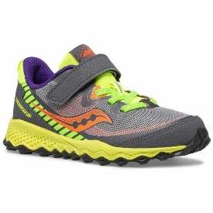
RIDE 14 | SK165318 | PINK | GIRLS | Saucony Kids |  | 117 | 31.75 € | 75.00 €
TRIUMPH 19 | S10678-10 | BLACK/WHITE | Women's | Saucony Technical |  | 28 | 90.00 € | 180.00 €
TRIUMPH 19 | S10678-16 | SUNSTONE/NIGHT | Women's | Saucony Technical |  | 104 | 90.00 € | 180.00 €
TRIUMPH 19 | S10678-26 | COOL MINT/ACID | Women's | Saucony Technical |  | 199 | 90.00 € | 180.00 €
TRIUMPH 19 | S10678-84 | WHITE/BLACK/VIZI | Women's | Saucony Technical |  | 135 | 90.00 € | 180.00 €
TRIUMPH 19 | S20678-10 | BLACK/WHITE | Men's | Saucony Technical |  | 547 | 90.00 € | 180.00 € | 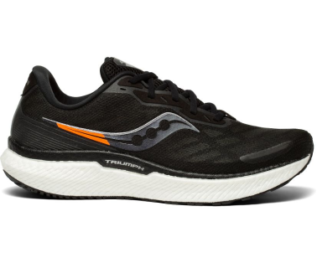
TRIUMPH 19 | S20678-16 | SAPPHRE/VIZIRED | Men's | Saucony Technical |  | 360 | 90.00 € | 180.00 €
TRIUMPH 19 | S20678-25 | ACID/BLUE RAZ | Men's | Saucony Technical |  | 213 | 90.00 € | 180.00 €
TRIUMPH 19 | S20678-84 | WHITE/BLACK/VIZI | Men's | Saucony Technical |  | 77 | 90.00 € | 180.00 €
 |  |  |  |  |  | 11,149

lista 2
SAUCONY

MatSls Pattern | Material | Shoe Color | Gender | Division | Total | whs | retail
AXON | S10657-35 | SKY STORM | Women's | Saucony Technical | 5 | 58.55 € | 120.00 €
AXON | S10657-55 | STORM LILAC | Women's | Saucony Technical | 17 | 58.55 € | 120.00 €
AXON | S20657-20 | VIZI/BLACK | Men's | Saucony Technical | 33 | 58.55 € | 120.00 € | 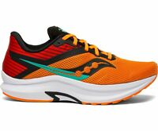
AXON | S20657-55 | STORM BLACK | Men's | Saucony Technical | 55 | 58.55 € | 120.00 €
AXON | S20657-56 | CITRON | Men's | Saucony Technical | 4 | 58.55 € | 120.00 €
ENDORPHIN PRO | S70561-1 | DIET YELLOW | Men's | Saucony Technical | 61 | 122.00 € | 250.00 €
ENDORPHIN PRO 2 | S10687-16 | VIZIGLD/VIZIRED | Women's | Saucony Technical | 374 | 107.35 € | 220.00 €
ENDORPHIN PRO 2 | S10687-26 | COOL MINT/ACID | Women's | Saucony Technical | 115 | 107.35 € | 220.00 €
ENDORPHIN PRO 2 | S10687-40 | REVERIE | Women's | Saucony Technical | 3 | 107.35 € | 220.00 €
ENDORPHIN PRO 2 | S10687-45 | CAMPFIRE STORY | Women's | Saucony Technical | 158 | 107.35 € | 220.00 €
ENDORPHIN PRO 2 | S10687-84 | WHITE/BLACK/VIZI | Women's | Saucony Technical | 132 | 107.35 € | 220.00 €
ENDORPHIN PRO 2 | S20687-116 | WHITE/VIZIRED | Men's | Saucony Technical | 12 | 107.35 € | 220.00 €
ENDORPHIN PRO 2 | S20687-16 | VIZIGLD/VIZIRED | Men's | Saucony Technical | 396 | 107.35 € | 220.00 €
ENDORPHIN PRO 2 | S20687-25 | BLUE RAZ/ACID | Men's | Saucony Technical | 188 | 107.35 € | 220.00 €
ENDORPHIN PRO 2 | S20687-40 | REVERIE | Men's | Saucony Technical | 6 | 107.35 € | 220.00 €
ENDORPHIN PRO 2 | S20687-45 | CAMPFIRE STORY | Men's | Saucony Technical | 298 | 107.35 € | 220.00 € | 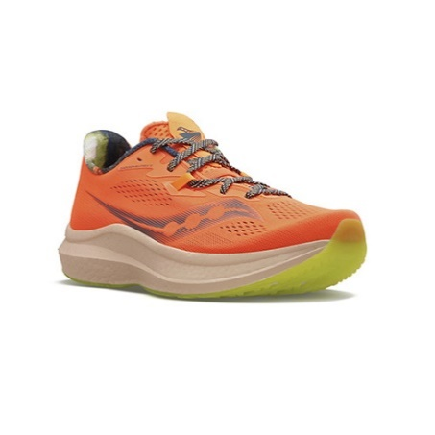
ENDORPHIN PRO 2 | S20687-84 | WHITE/BLACK/VIZI | Men's | Saucony Technical | 337 | 107.35 € | 220.00 €
ENDORPHIN SPEED 2 | S10688-16 | VIZIGLD/VIZIRED | Women's | Saucony Technical | 118 | 92.70 € | 190.00 €
ENDORPHIN SPEED 2 | S10688-23 | BLUE/WHITE | Women's | Saucony Technical | 22 | 92.70 € | 190.00 €
ENDORPHIN SPEED 2 | S10688-26 | COOL MINT/ACID | Women's | Saucony Technical | 109 | 92.70 € | 190.00 €
ENDORPHIN SPEED 2 | S10688-30 | ROYAL/BLAZE | Women's | Saucony Technical | 13 | 92.70 € | 190.00 € | 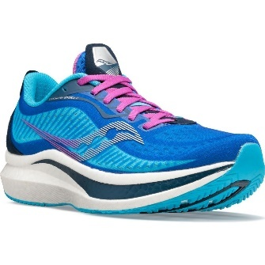
ENDORPHIN SPEED 2 | S10688-45 | CAMPFIRE STORY | Women's | Saucony Technical | 51 | 92.70 € | 190.00 €
ENDORPHIN SPEED 2 | S10688-65 | VIZI PRO | Women's | Saucony Technical | 125 | 92.70 € | 190.00 €
ENDORPHIN SPEED 2 | S10688-77 | WHITE/MULTI | Women's | Saucony Technical | 11 | 92.70 € | 190.00 €
ENDORPHIN SPEED 2 | S10688-84 | WHITE/BLACK/VIZI | Women's | Saucony Technical | 96 | 92.70 € | 190.00 €
ENDORPHIN SPEED 2 | S20688-16 | VIZIGLD/VIZIRED | Men's | Saucony Technical | 134 | 92.70 € | 190.00 €
ENDORPHIN SPEED 2 | S20688-23 | BLUE/WHITE | Men's | Saucony Technical | 119 | 92.70 € | 190.00 €
ENDORPHIN SPEED 2 | S20688-25 | BLUE RAZ/ACID | Men's | Saucony Technical | 177 | 92.70 € | 190.00 €
ENDORPHIN SPEED 2 | S20688-40 | REVERIE | Men's | Saucony Technical | 1 | 92.70 € | 190.00 €
ENDORPHIN SPEED 2 | S20688-45 | CAMPFIRE STORY | Men's | Saucony Technical | 374 | 92.70 € | 190.00 €
ENDORPHIN SPEED 2 | S20688-77 | WHITE/MULTI | Men's | Saucony Technical | 88 | 92.70 € | 190.00 €
ENDORPHIN SPEED 2 | S20688-84 | WHITE/BLACK/VIZI | Men's | Saucony Technical | 210 | 92.70 € | 190.00 €
GUIDE 14 | S20654-40 | REVERIE | Men's | Saucony Technical | 12 | 68.30 € | 140.00 €
KINVARA 12 | S10619-30 | FAIRYTALE/RAZZLE | Women's | Saucony Technical | 6 | 65.90 € | 135.00 €
KINVARA 12 | S10619-65 | VIZI PRO | Women's | Saucony Technical | 5 | 65.90 € | 135.00 €
PEREGRINE 10 SHIELD | SK164014 | NAVY | GIRLS | Saucony Kids | 2 | 32.50 € | 65.00 €
PEREGRINE 10 SHIELD | SK263084 | STEEL | Boys | Saucony Kids | 130 | 32.50 € | 65.00 €
PEREGRINE 10 SHIELD A/C | SK263269 | RED | Boys | Saucony Kids | 99 | 32.50 € | 65.00 €
PEREGRINE 11 SHIELD A/C | SK265560 | GREY/BLUE/GOLD | Boys | Saucony Kids | 240 | 32.50 € | 65.00 €
RIDE 13 | S10579-10 | CITRN MUTANT | Women's | Saucony Technical | 120 | 73.20 € | 150.00 € | 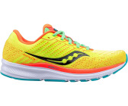
RIDE 13 | SK163233 | PURPLE | GIRLS | Saucony Kids | 15 | 31.75 € | 65.00 €
RIDE 13 | SK263232 | CITRN MUTANT | Boys | Saucony Kids | 8 | 31.75 € | 65.00 €
RIDE 14 | S10650-18 | QUARTZ/VIZIGOLD | Women's | Saucony Technical | 17 | 73.20 € | 150.00 €
RIDE 14 | S10650-20 | POWDER/CONCORD | Women's | Saucony Technical | 45 | 73.20 € | 150.00 €
RIDE 14 | S10650-30 | RAZZLE/FAIRYTALE | Women's | Saucony Technical | 4 | 73.20 € | 150.00 €
RIDE 14 | S10650-40 | REVERIE | Women's | Saucony Technical | 2 | 73.20 € | 150.00 €
RIDE 14 | S10650-45 | CHARCOAL/BLACK | Women's | Saucony Technical | 564 | 73.20 € | 150.00 €
RIDE 14 | S10650-65 | VIZI PRO | Women's | Saucony Technical | 35 | 73.20 € | 150.00 €
RIDE 14 | S20650-18 | ROCKFACE/TOPAZ | Men's | Saucony Technical | 31 | 73.20 € | 150.00 €
RIDE 14 | S20650-55 | CITRUS/BLACK | Men's | Saucony Technical | 2 | 73.20 € | 150.00 €
RIDE 14 | S20650-65 | VIZI PRO | Men's | Saucony Technical | 74 | 73.20 € | 150.00 € | 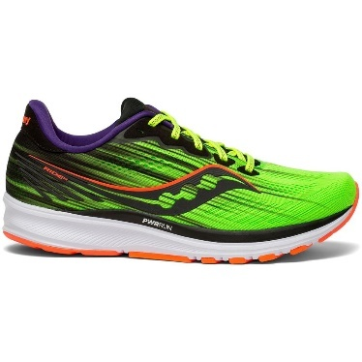
XODUS 11 | S10638-35 | TIDE/KEYLIME | Women's | Saucony Technical | 14 | 78.05 € | 160.00 €
 |  |  |  |  | 5,267

